HOME
NEW HORIZONS DoD FULL "OPEN ENROLLMENT" CLASS SCHEDULE | 2021 JANUARY | MST TIME ZONE (click on category tile to display related classes - return to main page by clicking HOME on each page)
William Jordan OFFICE (714) 221-3190
www.nhdod.com wjordan@nhdod.com
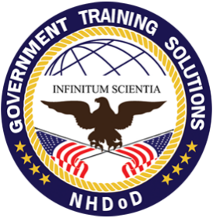

DoDD 8570
Baseline IA Certifications
ADOBE
AI (Artificial Intelligence)
AUTOCAD
AWS
BLOCKCHAIN

BUSINESS ANALYSIS
COMPTIA
CISCO
CITRIX
CYBER | SECURITY
DATA ANALYTICS/SCIENCE (PowerBI, Tableau, etc)

DELL - EMC
DEVOPS
DOCKER
GOOGLE
HYPERLEDGER
INTERNET OF THINGS (IoT)

IT FUNDAMENTALS
(just getting started)
IBM
IT MANAGEMENT
(ITIL, NIST, ASSET Mgmt)
KUBERNETES
LEADERSHIP, SHRM, PROFESSIONAL DEV
MICROSOFT AZURE (Admin, Arch, Data)

MICROSOFT SERVER APPS (PowerShell, SCCM, Exchange)
MICROSOFT DYNAMICS
MS OFFICE, OFFICE 365, MS TEAMS, Visio, OneNote, Win 10
MS OFFICE 365 ADMINISTRATION
MICROSOFT SHAREPOINT (IT & Site Admin, End User)
MICROSOFT SQL SERVER (database)

MICROSOFT WINDOWS SERVER
MICROSOFT WINDOWS 10 (IT Pro)
NETAPP
NUTANIX
PALO ALTO
PROGRAMMING | APP DEV (.net, C#, PowerApp, etc.)

PROJECT MANAGEMENT (PMP, Agile, Scrum, etc)
QUICKBOOKS
RED HAT
SALESFORCE
SAP | CRYSTAL REPORTS
VEEAM

VMWARE
WORKPLACE FUNDAMENTALS
 | Dare to Lead? | Preview HERE
 |  | Registration Details HERE

